Location Plan & Summary
Intelligent Data Collection Limited

Client: | Bristol City Council |  |  | Date of Survey: |  | 09.07.2015
Project Number: | ID02343 |  |  | Site Name: |  | B4465 Easton Road
Site Number: | ATC Site 13 |  |  | Survey Type: |  | Two-way Link Count

X Coordinate |  | Y Coordinate |  |  | Google Maps Link
51.472899 |  | -2.554588 |  |  | Click Here
AM Peak Conditions |  | Inter-Peak Conditions |  |  | PM Peak Conditions
Clear and Sunny |  | Clear and Sunny |  |  | Clear and Sunny
Junction Layout

N

 |  |  |  |  |  | Arm B - Bouverie Street (N)

 |  |  | Arm A - Croydon Street (S)

Aerial Mapping and On-site Camera View
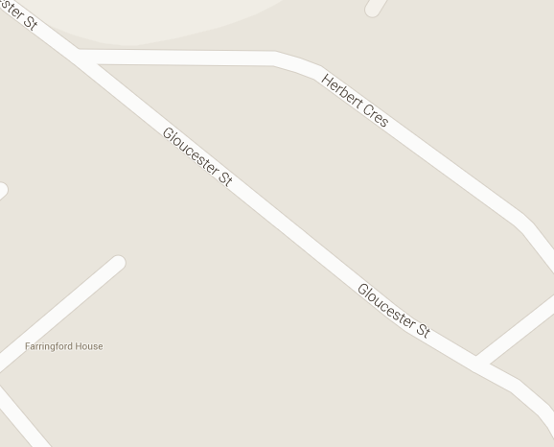
Arm B - Bouverie Street (N)

Arm A - Croydon Street (S)

Junction Flow Profile
Arm Approach Flows (All Vehicles)
 | A to B (Northbound) | B to A (Southbound) | Two-way Total
7:00:00 | 2 | 1 | 3
7:15:00 | 1 | 3 | 4
7:30:00 | 1 | 5 | 6
7:45:00 | 4 | 2 | 6
8:00:00 | 3 | 6 | 9
8:15:00 | 3 | 7 | 10
8:30:00 | 3 | 6 | 9
8:45:00 | 1 | 4 | 5
9:00:00 | 1 | 4 | 5
9:15:00 | 1 | 2 | 3
9:30:00 | 0 | 4 | 4
9:45:00 | 1 | 4 | 5
10:00:00 | 0 | 5 | 5
10:15:00 | 5 | 4 | 9
10:30:00 | 1 | 4 | 5
10:45:00 | 2 | 4 | 6
11:00:00 | 1 | 2 | 3
11:15:00 | 1 | 3 | 4
11:30:00 | 0 | 7 | 7
11:45:00 | 1 | 7 | 8
12:00:00 | 2 | 3 | 5
12:15:00 | 4 | 5 | 9
12:30:00 | 2 | 5 | 7
12:45:00 | 1 | 7 | 8
13:00:00 | 1 | 5 | 6
13:15:00 | 1 | 1 | 2
13:30:00 | 1 | 2 | 3
13:45:00 | 2 | 3 | 5
14:00:00 | 5 | 4 | 9
14:15:00 | 1 | 5 | 6
14:30:00 | 2 | 6 | 8
14:45:00 | 1 | 10 | 11
15:00:00 | 3 | 3 | 6
15:15:00 | 2 | 8 | 10
15:30:00 | 1 | 8 | 9
15:45:00 | 0 | 5 | 5
16:00:00 | 1 | 6 | 7
16:15:00 | 3 | 14 | 17
16:30:00 | 3 | 12 | 15
16:45:00 | 2 | 6 | 8
17:00:00 | 2 | 8 | 10
17:15:00 | 4 | 15 | 19
17:30:00 | 1 | 8 | 9
17:45:00 | 1 | 12 | 13
18:00:00 | 2 | 10 | 12
18:15:00 | 3 | 10 | 13
18:30:00 | 3 | 2 | 5
18:45:00 | 2 | 3 | 5

Additional Notes (Factors which may impact on survey results such as accidents, roadworks, special events):

